Instructions
Note - this instructional page does not count toward the page limit.
CE19-1904 Overdose Data To Action Year 1 Work Plan
CDC National Center for Injury Prevention and Control

Applicant Name: | [Provide the name of your jurisdiction here…]

The purpose of this template is to provide an optional/alternative method for applicants of CE19-1904 to report on proposed work plan activities.
You may use this template, or one that your organization developed. While this template includes key requirements associated with the surveillance and
prevention components, the applicant must review the full OD2A Notice of Funding Opportunity (NOFO) to fully understand the requirement.

Instructions:
• Applicants should fill out both the Surveillance and Prevention tabs for strategies in which they are proposing work.
• If an applicant is not working on a strategy, that section of the tab should be left blank
• Yellow-filled cells indicate where input or text should be entered
• For assistance with this template, please reach out to the OD2A mailbox (OverdoseData2Action@cdc.gov)
• If you have any additional objectives or activities that exceed the space provided, please note in your narrative.
• If your text gets cut off in boxes provided, manually expand the row height so that all text can be read before printing.
Printing and Submitting this Work Plan:
• When the work plan template is complete, set the "PRINT" filter in cell I1 on both the Surveillance and Prevention tabs to "Ready to Print (Short Version)"
• Click 'File'>'Print' and set the printer to 'Microsoft Print to PDF.' Make sure it is set to 'Print Entire Workbook' (see screenshot below)
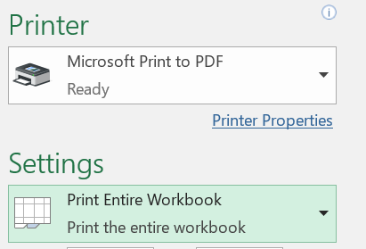

• Click 'Print' and save print output as : 'ApplicantName_Year1_WorkPlan.pdf'
• Make sure to save an Excel version for your records

Other Notes:
• Please note that the page count for this template will vary according to the length of responses and that the Work Plan pages count towards the 30 page
limit for the entire Project Narrative. If your responses in this template take up a significant amount of your overall 30 page limit, consider using your own
Work Plan format.
• This template does not link activities directly to short and intermediate outcomes, which should be included in the Evaluation Plan when it is submitted
during the first year of their award.

